Hex
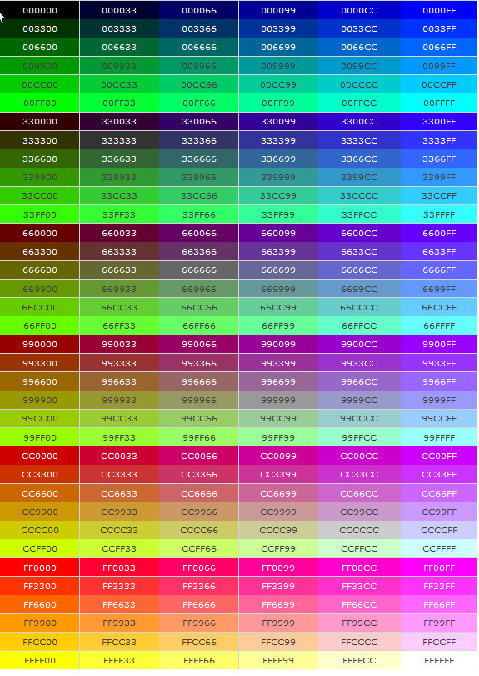
Présenté en liste |  |  |  |  |  | Présenté en hexagone
Fond noir = dark
Fond blanc = llight

#000000 | #000033 | #000066 | #000099 | #0000CC | #0000FF |  |  |  |  |  |  | #003366 |  | #336699 |  | #3366CC |  | #003399 |  | #000099 |  | #0000CC |  | #000066
#003300 | #003333 | #003366 | #003399 | #0033CC | #0033FF |  |  |  |  |  | #006666 |  | #006699 |  | #0099CC |  | #0066CC |  | #0033CC |  | #0000FF |  | #3333FF |  | #333399
#006600 | #006633 | #006666 | #006699 | #0066CC | #0066FF |  |  |  |  | #669999 |  | #009999 |  | #33CCCC |  | #00CCFF |  | #0099FF |  | #0066FF |  | #3366FF |  | #3333CC |  | #666699
#009900 | #009933 | #009966 | #009999 | #0099CC | #0099FF |  |  |  | #339966 |  | #00CC99 |  | #00FFCC |  | #00FFFF |  | #33CCFF |  | #3399FF |  | #6699FF |  | #6666FF |  | #6600FF |  | #6600CC
#00CC00 | #00CC33 | #00CC66 | #00CC99 | #00CCCC | #00CCFF |  |  | #339933 |  | #00CC66 |  | #00FF99 |  | #66FFCC |  | #66FFFF |  | #66CCFF |  | #99CCFF |  | #9999FF |  | #9966FF |  | #9933FF |  | #9900FF
#00FF00 | #00FF33 | #00FF66 | #00FF99 | #00FFCC | #00FFFF |  | #006600 |  | #00CC00 |  | #00FF00 |  | #66FF99 |  | #99FFCC |  | #CCFFFF |  | #CCCCFF |  | #CC99FF |  | #CC66FF |  | #CC33FF |  | #CC00FF |  | #9900CC
#330000 | #330033 | #330066 | #330099 | #3300CC | #3300FF | #003300 |  | #009933 |  | #33CC33 |  | #66FF66 |  | #99FF99 |  | #CCFFCC |  | #FFFFFF |  | #FFCCFF |  | #FF99FF |  | #FF66FF |  | #FF00FF |  | #CC00CC |  | #660066
#333300 | #333333 | #333366 | #333399 | #3333CC | #3333FF |  | #336600 |  | #009900 |  | #66FF33 |  | #99FF66 |  | #CCFF99 |  | #FFFFCC |  | #FFCCCC |  | #FF99CC |  | #FF66CC |  | #FF33CC |  | #CC0099 |  | #993399
#336600 | #336633 | #336666 | #336699 | #3366CC | #3366FF |  |  | #333300 |  | #669900 |  | #99FF33 |  | #CCFF66 |  | #FFFF99 |  | #FFCC99 |  | #FF9999 |  | #FF6699 |  | #FF3399 |  | #CC3399 |  | #990099
#339900 | #339933 | #339966 | #339999 | #3399CC | #3399FF |  |  |  | #666633 |  | #99CC00 |  | #CCFF33 |  | #FFFF66 |  | #FFCC66 |  | #FF9966 |  | #FF6666 |  | #FF0066 |  | #CC6699 |  | #993366
#33CC00 | #33CC33 | #33CC66 | #33CC99 | #33CCCC | #33CCFF |  |  |  |  | #999966 |  | #CCCC00 |  | #FFFF00 |  | #FFCC00 |  | #FF9933 |  | #FF6600 |  | #FF5050 |  | #CC0066 |  | #660033
#33FF00 | #33FF33 | #33FF66 | #33FF99 | #33FFCC | #33FFFF |  |  |  |  |  | #996633 |  | #CC9900 |  | #FF9900 |  | #FF9900 |  | #FF9900 |  | #FF9900 |  | #CC0000 |  | #990033
#660000 | #660033 | #660066 | #660099 | #6600CC | #6600FF |  |  |  |  |  |  | #663300 |  | #996600 |  | #CC3300 |  | #993300 |  | #990000 |  | #800000 |  | #993333
#663300 | #663333 | #663366 | #663399 | #6633CC | #6633FF
#666600 | #666633 | #666666 | #666699 | #6666CC | #6666FF
#669900 | #669933 | #669966 | #669999 | #6699CC | #6699FF
#66CC00 | #66CC33 | #66CC66 | #66CC99 | #66CCCC | #66CCFF
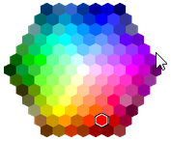
#66FF00 | #66FF33 | #66FF66 | #66FF99 | #66FFCC | #66FFFF
#990000 | #990033 | #990066 | #990099 | #9900CC | #9900FF
#993300 | #993333 | #993366 | #993399 | #9933CC | #9933FF
#996600 | #996633 | #996666 | #996699 | #9966CC | #9966FF
#999900 | #999933 | #999966 | #999999 | #9999CC | #9999FF
#99CC00 | #99CC33 | #99CC66 | #99CC99 | #99CCCC | #99CCFF
#99FF00 | #99FF33 | #99FF66 | #99FF99 | #99FFCC | #99FFFF
#CC0000 | #CC0033 | #CC0066 | #CC0099 | #CC00CC | #CC00FF
#CC3300 | #CC3333 | #CC3366 | #CC3399 | #CC33CC | #CC33FF
#CC6600 | #CC6633 | #CC6666 | #CC6699 | #CC66CC | #CC66FF
#CC9900 | #CC9933 | #CC9966 | #CC9999 | #CC99CC | #CC99FF
#CCCC00 | #CCCC33 | #CCCC66 | #CCCC99 | #CCCCCC | #CCCCFF
#CCFF00 | #CCFF33 | #CCFF66 | #CCFF99 | #CCFFCC | #CCFFFF
#FF0000 | #FF0033 | #FF0066 | #FF0099 | #FF00CC | #FF00FF
#FF3300 | #FF3333 | #FF3366 | #FF3399 | #FF33CC | #FF33FF
#FF6600 | #FF6633 | #FF6666 | #FF6699 | #FF66CC | #FF66FF
#FF9900 | #FF9933 | #FF9966 | #FF9999 | #FF99CC | #FF99FF
#FFCC00 | #FFCC33 | #FFCC66 | #FFCC99 | #FFCCCC | #FFCCFF
#FFFF00 | #FFFF33 | #FFFF66 | #FFFF99 | #FFFFCC | #FFFFFF

